Contact Info and Instructions
Instructions:
Each column that has a red triangle in the upper-right corner has a comment that can be displayed if you hover over the header.
Some column headers have hyperlinks to NCBI webpages.
The YELLOW columns have drop-down menues that allow you to select from a controlled vocabulary. Once specified for one row, these values can be copied-and-pasted down.

You must save spreadsheet under second tab (SRA_data) as a TSV (tab-delimited file) to upload the TSV file for the SRA metadata tab.
If you created samples previously, provide accessions in the form of SAMN# in the column sample_accession. Otherwise provide the sample name used in the BioSample attributes spreadsheet.
Each row in the template represents a sequencing library with a unique combination of sample + library + sequencing strategy + layout + instrument model. Each row should have a unique library_id that is short and meaningful (like an ID you might use in lab).
When libraries are indeed identical (same combination of sample + library + strategy + layout + instrument model), all files should be placed in the same row To do this simply enter the file names consecutively in the same row by adding more columns with headers filename2, filename3, etc…. PAIRED files must always be listed in the same row.
Provide exact file names (including extensions) in the filename columns.
File names must be unique.

red triangles indicate pop-up comments for that field | required for ALL data types | required for aligned data | paired-end data only

Many of the columns also have data checks - if you received a warning, please verify that you have entered a value from the drop-down menu. Example Below.
NOTE: There are data checks and autocomplete features in this spreadsheet that are not compatible with Libre- and Open-Office. If you use one of these suites, please manually consult the platform and instrument information on the last page.
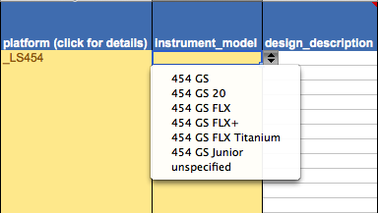

Example Drop Down Menu

Helpful Hyperlinks:
SRA submission overview: | http://www.ncbi.nlm.nih.gov/sra/docs/submit/
SRA submission in Submission Portal: | http://www.ncbi.nlm.nih.gov/sra/docs/submitportal/

You must save spreadsheet under second tab (SRA_data) as a TSV (tab-delimited file) to upload the TSV file for the SRA metadata tab.

